Sheet1
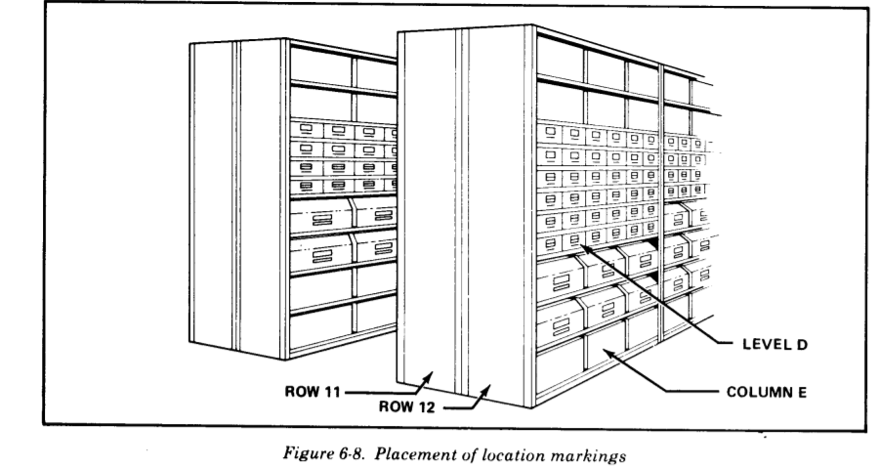
EQUIPMENT_ID | ELEMENT_MATERIAL_NO | SERIAL_NO | EQUIPMENT_TYPE_ID | STORAGE_LOCATION (AREA _ ) | STORAGE_BIN | BOX_LOT_NO (ROW/LEVEL/COLUMN) | BUTT_NO | QUANTITY | DTE_TIME_CR | DTE_TIME_LAST_MOD | CREATED_BY | MODIFIED_BY
123 | steel | 1234567890 | 1 |  |  |  |  |  | 15/5/2020 21:18:00:00 | 15/5/2020 21:18:00:00 | SHAN JIN | SHAN JIN
124 | plastic |  | 5 | B | armstoke1 | 13/B/C |  | 10 | 15/5/2020 21:18:00:00 | 15/5/2020 21:18:00:00 | SHAN JIN | SHAN JIN
125 | aluminum | 1132416611 | 2 |  |  |  |  |  | 15/5/2020 21:18:00:00 | 15/5/2020 21:18:00:00 | SHAN JIN | SHAN JIN
126 | steel |  | 1 | A | armstoke5 | 12/D/A |  | 12 | 15/5/2020 21:18:00:00 | 15/5/2020 21:18:00:00 | SHAN JIN | SHAN JIN
127 | metal & plastic |  | 4 |  |  |  |  |  | 15/5/2020 21:18:00:00 | 15/5/2020 21:18:00:00 | SHAN JIN | SHAN JIN
128 | plastic |  | 5 |  |  |  | 11111 |  | 15/5/2020 21:18:00:00 | 15/5/2020 21:18:00:00 | SHAN JIN | SHAN JIN
129 | plastic | 1491589141 | 5 |  |  |  |  |  | 15/5/2020 21:18:00:00 | 15/5/2020 21:18:00:00 | SHAN JIN | SHAN JIN
130 | aluminum |  | 4 | D | armstoke4 | 19/A/B | 22222 |  | 15/5/2020 21:18:00:00 | 15/5/2020 21:18:00:00 | SHAN JIN | SHAN JIN
131 | metal & plastic |  | 2 |  |  |  | 12121 | 8 | 15/5/2020 21:18:00:00 | 15/5/2020 21:18:00:00 | SHAN JIN | SHAN JIN
132 | steel | 1491891124 | 1 |  |  |  |  |  | 15/5/2020 21:18:00:00 | 15/5/2020 21:18:00:00 | SHAN JIN | SHAN JIN

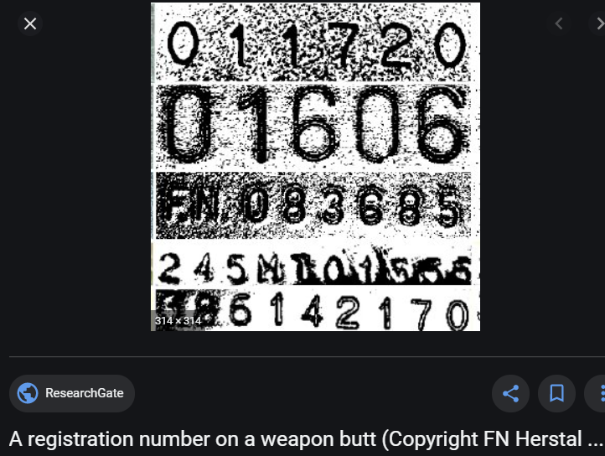
 | ELEMENT_MATERIAL_NO |  | EQUIPMENT_TYPE_ID |  |  |  |  |  |  | BUTT_NO
 | steel |  | 1 | assault rifle
 | aluminum |  | 2 | SMG
 | plastic |  | 3 | sniper
 | metal & plastic |  | 4 | melee
 |  |  | 5 | others

 |  |  | STORAGE_LOCATION
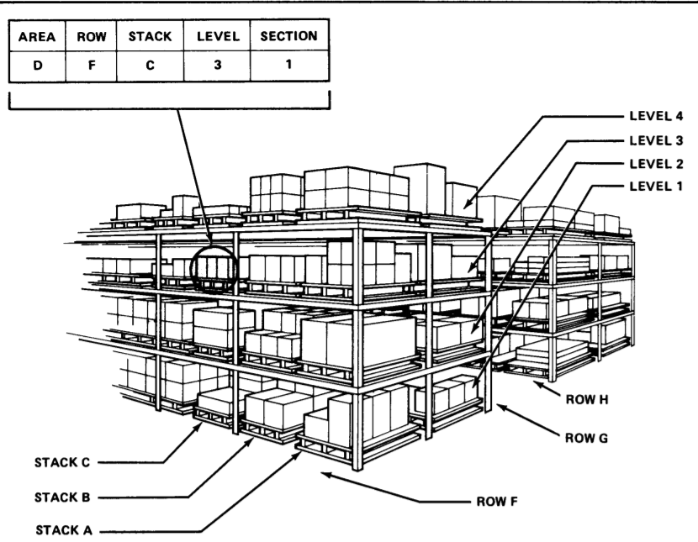

STORAGE_BIN |  |  |  |  | BOX_LOT_NO

